access to schools
Rates | Gross Enrollment Rate effect | Net Enrollment Rate effect | Completition Rate effect | SE.PRM.NENR (2018) | SE.PRM.CMPT.ZS (2021) | https://tradingeconomics.com/burkina-faso/total-net-enrolment-rate-lower-secondary-both-sexes-percent-wb-data.html | SE.SEC.CMPT.LO.ZS
Primary School | 2.05 | 1.84 | 1.34 | 79 | 67
Post-Primary/Secondary School | 2.8 | 1.83 | 3.26 |  |  | 53.9 | 37.3

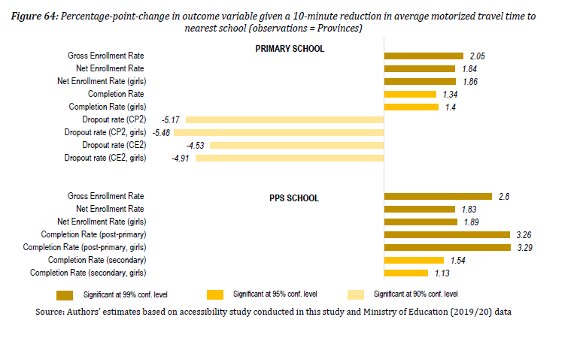

 |  |  |  |  |  |  |  | source: https://documents.worldbank.org/en/publication/documents-reports/documentdetail/622561619416816205/roads-to-schools-and-healthcare-facilities-identifying-accessibility-gaps-in-burkina-faso

access health care
Category | It is not a constraint | It is a minor constraint | It is among the main constraints | It is the most important constraint
Transport cost | 20.0 | 24.5 | 46.3 | 9.3
Availability of transportation | 18.2 | 17.1 | 32.0 | 32.7
Physical security | 45.2 | 28.2 | 19.5 | 7.2

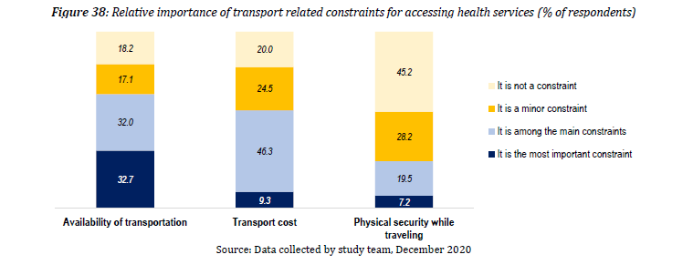

 |  |  |  |  | source: https://documents.worldbank.org/en/publication/documents-reports/documentdetail/622561619416816205/roads-to-schools-and-healthcare-facilities-identifying-accessibility-gaps-in-burkina-faso

co2 by sector
Sector | Transport | Others | Industry | Buildings | Total |  | Transport | Others | Industry | Buildings
1990 | 4752505.9 | 1544423 | 7378725.2 | 5525812.3 | 19201466.4 |  | 0.2475074456 | 0.08043255488 | 0.3842792548 | 0.2877807447
2000 | 5898565.1 | 1002712.3 | 7734939.2 | 6966194.1 | 21602410.7
2010 | 7185572 | 1402962.7 | 11407624.5 | 8394335.3 | 28390494.5
2020 | 7,315,970.30 | 1,837,148.00 | 12,048,739.00 | 8,348,459.40 | 29,550,316.70 |  | 0.2475767138 | 0.0621701628 | 0.4077363746 | 0.2825167488

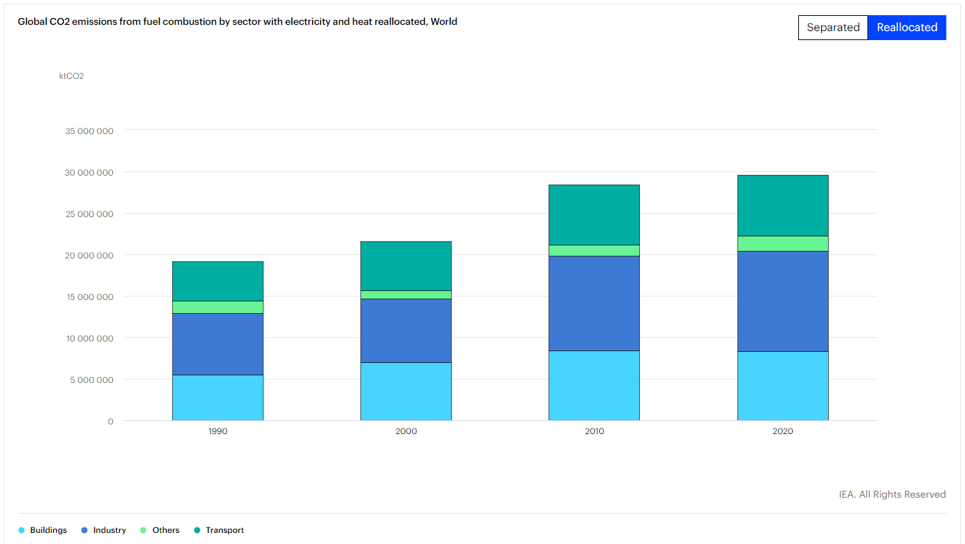

 |  |  |  |  |  | https://www.iea.org/data-and-statistics/data-tools/greenhouse-gas-emissions-from-energy-data-explorer

transport co2 by sector
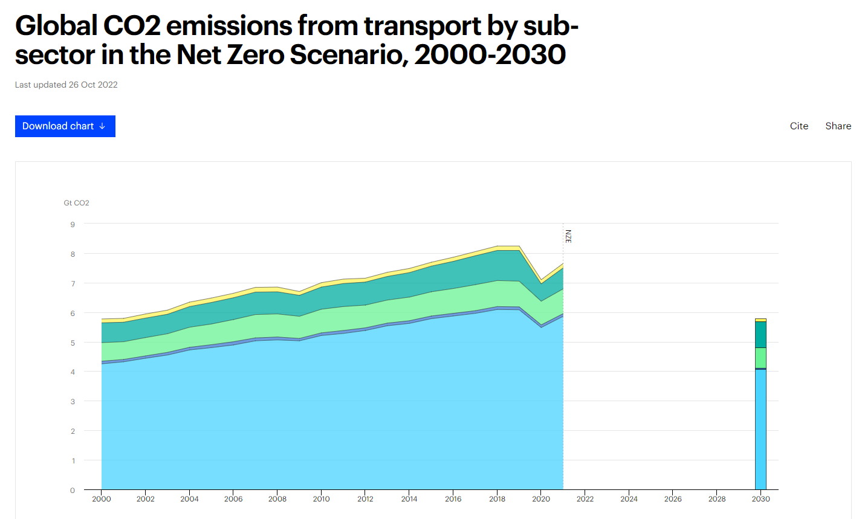
Year | Road | Rail | Shipping | Aviation | Pipeline transport | Total | Road share | Shipping share | Aviation share
2000 | 4.25 | 0.09 | 0.63 | 0.67 | 0.13 | 5.77 | 73.65684575 | 10.91854419 | 11.6117851
2001 | 4.32 | 0.08 | 0.6 | 0.66 | 0.13 | 5.79 | 74.61139896 | 10.3626943 | 11.39896373
2002 | 4.44 | 0.08 | 0.62 | 0.66 | 0.14 | 5.94 | 74.74747475 | 10.43771044 | 11.11111111
2003 | 4.55 | 0.09 | 0.63 | 0.66 | 0.14 | 6.07 | 74.95881384 | 10.37891269 | 10.87314662
2004 | 4.72 | 0.09 | 0.68 | 0.7 | 0.15 | 6.34 | 74.44794953 | 10.72555205 | 11.04100946
2005 | 4.8 | 0.1 | 0.7 | 0.73 | 0.15 | 6.48 | 74.07407407 | 10.80246914 | 11.2654321
2006 | 4.89 | 0.11 | 0.75 | 0.74 | 0.15 | 6.64 | 73.64457831 | 11.29518072 | 11.14457831
2007 | 5.03 | 0.1 | 0.79 | 0.76 | 0.16 | 6.84 | 73.5380117 | 11.5497076 | 11.11111111
2008 | 5.06 | 0.1 | 0.78 | 0.75 | 0.16 | 6.85 | 73.86861314 | 11.38686131 | 10.94890511
2009 | 5.03 | 0.08 | 0.75 | 0.71 | 0.13 | 6.7 | 75.07462687 | 11.19402985 | 10.59701493
2010 | 5.21 | 0.09 | 0.8 | 0.75 | 0.15 | 7 | 74.42857143 | 11.42857143 | 10.71428571
2011 | 5.28 | 0.1 | 0.81 | 0.78 | 0.15 | 7.12 | 74.15730337 | 11.37640449 | 10.95505618
2012 | 5.38 | 0.09 | 0.77 | 0.78 | 0.13 | 7.15 | 75.24475524 | 10.76923077 | 10.90909091
2013 | 5.54 | 0.09 | 0.78 | 0.8 | 0.14 | 7.35 | 75.37414966 | 10.6122449 | 10.88435374
2014 | 5.62 | 0.09 | 0.8 | 0.83 | 0.14 | 7.48 | 75.13368984 | 10.69518717 | 11.09625668
2015 | 5.78 | 0.09 | 0.82 | 0.87 | 0.13 | 7.69 | 75.16254876 | 10.66319896 | 11.31339402
2016 | 5.87 | 0.09 | 0.84 | 0.92 | 0.14 | 7.86 | 74.68193384 | 10.6870229 | 11.70483461 | source: https://www.iea.org/data-and-statistics/charts/global-co2-emissions-from-transport-by-sub-sector-in-the-net-zero-scenario-2000-2030
2017 | 5.96 | 0.09 | 0.88 | 0.98 | 0.14 | 8.05 | 74.03726708 | 10.93167702 | 12.17391304
2018 | 6.09 | 0.1 | 0.88 | 1.02 | 0.15 | 8.24 | 73.90776699 | 10.67961165 | 12.37864078
2019 | 6.08 | 0.1 | 0.87 | 1.04 | 0.15 | 8.24 | 73.78640777 | 10.55825243 | 12.62135922
2020 | 5.48 | 0.09 | 0.8 | 0.59 | 0.14 | 7.1 | 77.18309859 | 11.26760563 | 8.309859155 | citation: IEA, Global CO2 emissions from transport by sub-sector in the Net Zero Scenario, 2000-2030, IEA, Paris https://www.iea.org/data-and-statistics/charts/global-co2-emissions-from-transport-by-sub-sector-in-the-net-zero-scenario-2000-2030, IEA. Licence: CC BY 4.0
2021 | 5.86 | 0.09 | 0.84 | 0.71 | 0.15 | 7.65 | 76.60130719 | 10.98039216 | 9.281045752

transport ghc growth
HIC and LMIC
Growth in transportation greenhouse gas emissions 2000-2019
 |  |  | Growth from 2000
Year | HIC | LMIC | HIC | LMIC
1990 | 2825.143397 | 1235.7932002
1991 | 2822.9527013 | 1266.7760165
1992 | 2900.159803 | 1255.0864982
1993 | 2951.7529935 | 1249.9415903
1994 | 3042.775198 | 1228.4473119
1995 | 3103.3499093 | 1279.4202965
1996 | 3192.6989069 | 1378.2898872
1997 | 3245.5026195 | 1378.1457904
1998 | 3303.4328732 | 1415.6345971
1999 | 3388.965681 | 1447.8740869
2000 | 3433.2618142 | 1562.6222094 | 0% | 0%
2001 | 3454.4095113 | 1607.7169994 | 1% | 3% | 0.615965174 | 2.885840852
2002 | 3509.9345955 | 1669.5846149 | 2% | 7% | 1.607368321 | 3.848165786
2003 | 3560.9167935 | 1740.6355062 | 4% | 11% | 1.452511341 | 4.255602899
2004 | 3619.607993 | 1891.6193929 | 5% | 21% | 1.648204742 | 8.674066805
2005 | 3646.6134023 | 1961.8366892 | 6% | 26% | 0.746086576 | 3.712020328
2006 | 3668.6351 | 2043.831291 | 7% | 31% | 0.603894498 | 4.179481517
2007 | 3701.7484089 | 2172.1526775 | 8% | 39% | 0.9026056825 | 6.278472546
2008 | 3580.2526038 | 2292.9886836 | 4% | 47% | -3.282119466 | 5.562960989
2009 | 3460.4804994 | 2327.1749067 | 1% | 49% | -3.345353461 | 1.490902392
2010 | 3531.4489105 | 2474.6770361 | 3% | 58% | 2.050825345 | 6.338248531
2011 | 3485.8617089 | 2626.4796997 | 2% | 68% | -1.290892287 | 6.134241414
2012 | 3435.1451919 | 2784.734907 | 0% | 78% | -1.454920512 | 6.025373329
2013 | 3496.3781009 | 2910.270522 | 2% | 86% | 1.782542093 | 4.507991573
2014 | 3503.5523073 | 2992.6828985 | 2% | 92% | 0.2051896626 | 2.83177718
2015 | 3601.3733927 | 3077.4171596 | 5% | 97% | 2.792054371 | 2.831381204
2016 | 3642.6738022 | 3145.6976376 | 6% | 101% | 1.146796097 | 2.218759253
2017 | 3683.5220134 | 3250.8644869 | 7% | 108% | 1.121379883 | 3.343196375
2018 | 3715.592502 | 3333.1142071 | 8% | 113% | 0.8706473992 | 2.530087628
2019 | 3714.9435178 | 3358.2196771 | 8% | 115% | -0.0174665071 | 0.7532136141

